Daylight Opening order form
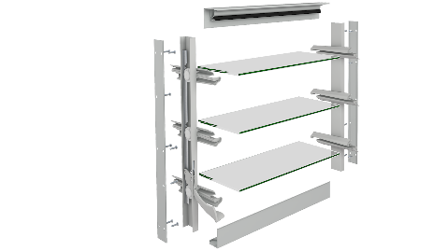
 |  |  |  | Altair® Louvre Single Bay Daylight Opening Component Form |  |  |  |  |  |  |  | Version: Dec2023
 |  |  |  |  | Email: orders@breezway.co.nz
 |  |  |  | QUOTE |  |  | ORDER

Date: |  |  |  | Customer Name: |  |  |  | Contact Name:
Required Despatch Date: |  |  |  | Despatch to: |  |  |  | Contact Number:
Customer Order Number: |  |  |  |  |  |  |  | Transport Method:
Job Reference: |  |  |  |  |  |  |  | Email/fax:
Please Note:
Special Instructions:
Clip Size | Colour | Clip & Handle Colour | Fixing Method | Keylock (Manual Only) | ULS (Pa) | Water (Pa)
152mm |  |  | Screw Holes | No
Daylight Height (mm) | Daylight Width (mm) | Full Extension (Std Heights Only) | Clip Type | Operation | Handle Side | Weatherstrips | Blade Type | Blade Colour | Restricted Opening | Security Bars | Quantity | Markings
 |  | No | 6mm Altair | Standard Handle | Left | Standard

Accessories |  | Length (mm) | Quantity | Accessories |  | Length (mm) | Quantity | Breezway Component System Information - https://www.breezway.com.au/altair-louvre-window-frame-types/altair-in-other-window-frames/

 |  |  |  |  |  |  |  | Breezway Product Performance Warranty - https://www.breezway.com.au/building-code-compliance/as2047-product-performance-warranty/

Daylight Form Instructions
